Sheet1
IMAGES IN EXCEL

COMPANY | LOGO | SALES
NEFILX |  | 100000
GOOGLE |  | 80000
PRIME |  | 600000
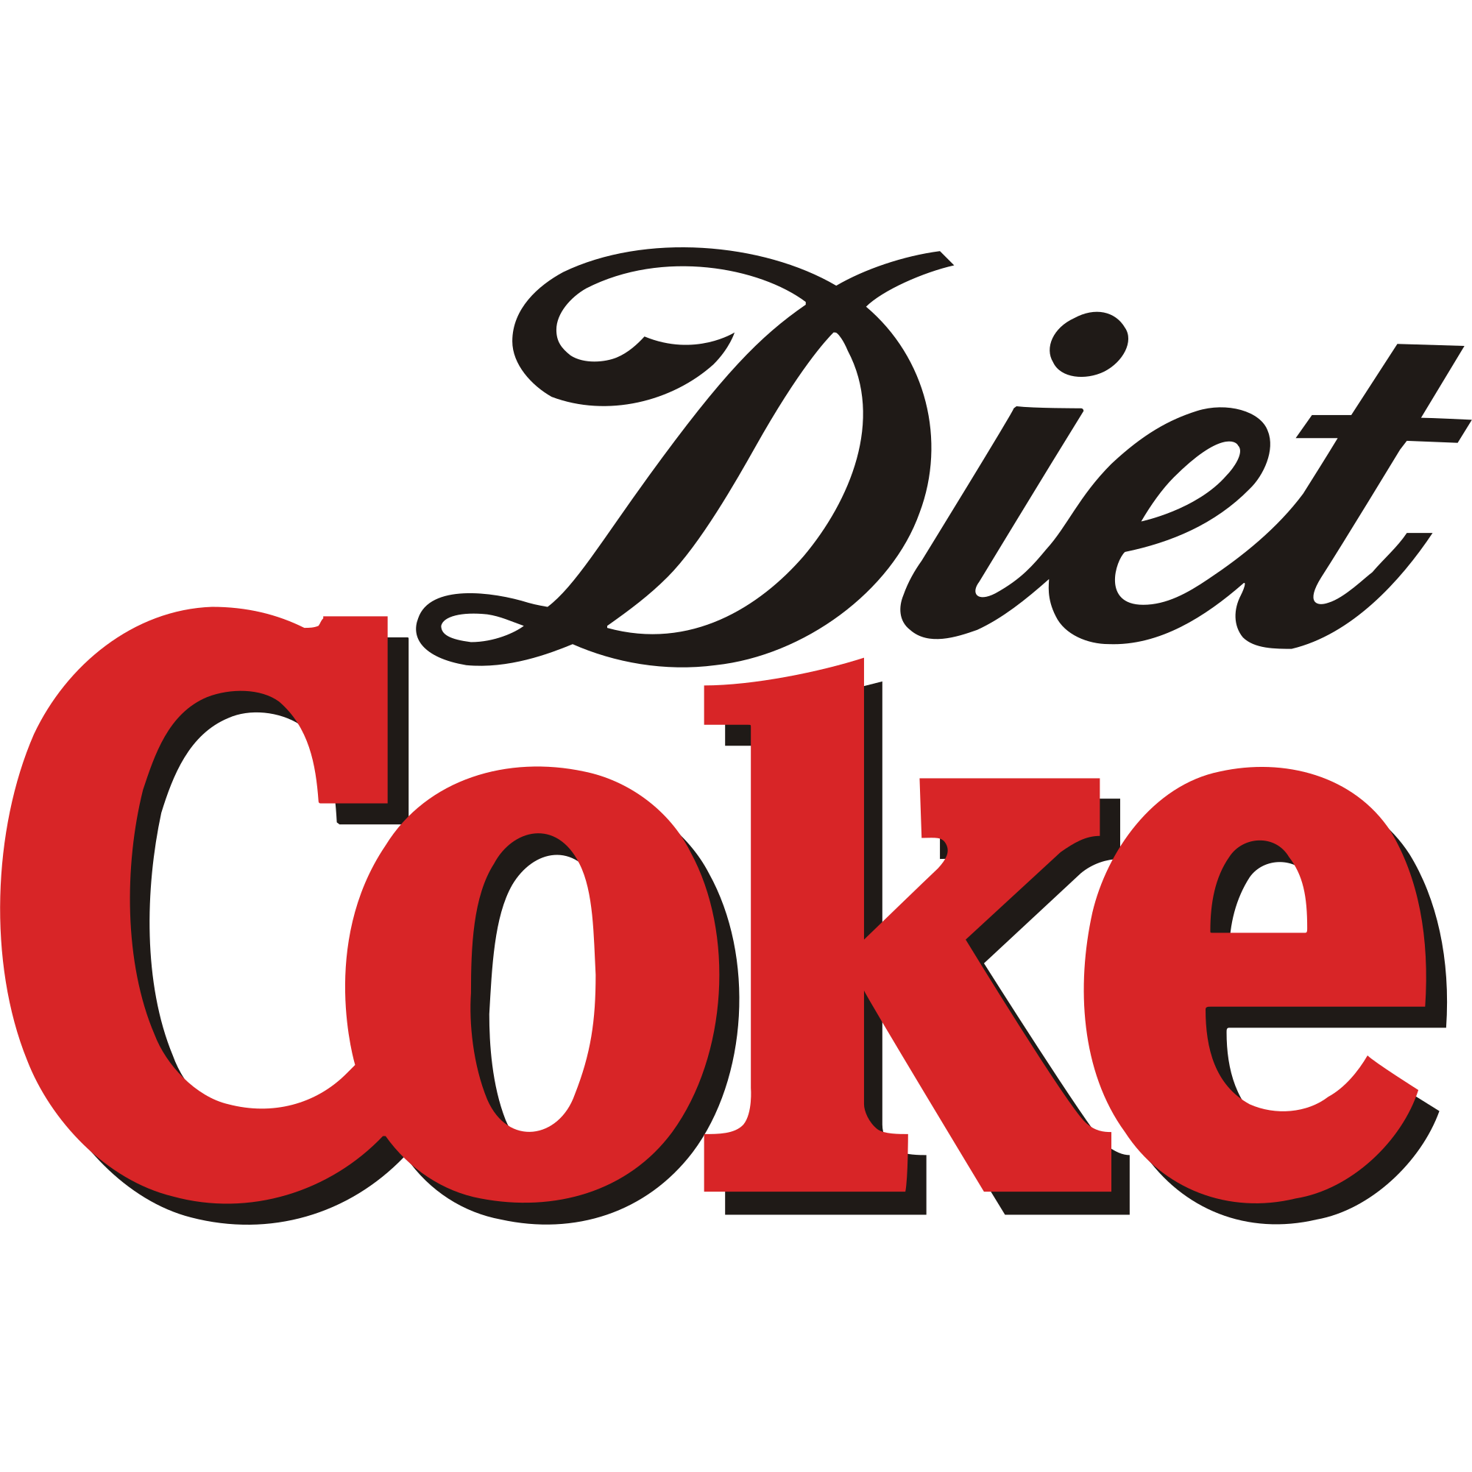
COKE |  | 9000000

